Sheet1
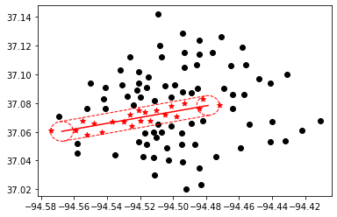
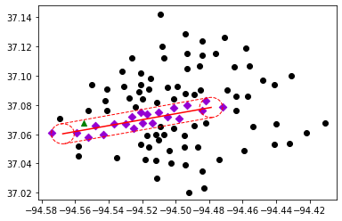
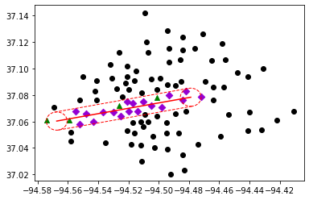
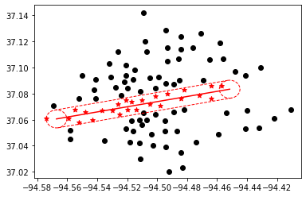
100 clusters | delta 0.375

length | budget $ | Best Bound | Best Objective | Gap | CCG Run time | CCG Iteration | Subproblem Run time | Number of Subproblem Callbacks | Subproblem Callbacks Run Time | Number of Uncertainty Set Check Call | Uncertainty Set Check Run Time | Retrofitting cost/Total % | Recovery cost/Total %
5 | 0 M | 16465 | 16465 | 0 | 152.91 | 2 | 152.74 | 28 | 5.46 | 14 | 1.93 | - | -
 | 15 M | 14847 | 14951 | 0.01 | 193.58 | 2 | 193.37 | 23 | 5.29 | 8 | 2.39 | 58% | 42%
 | 30 M | 14688 | 14775 | 0.01 | 161.72 | 2 | 161.5 | 26 | 4.94 | 9 | 1.4 | 29% | 71%
unlimited | 0 M | 17449 | 17449 | 0 | 361.14 | 2 | 360.98 | 32 | 2.86 | 0 | 0 | - | -
 | 15 M | 15742 | 15807 | 0 | 526.74 | 2 | 526.56 | 42 | 4.66 | 0 | 0 | 63% | 37%
 | 30 M | 15582 | 15700 | 0.01 | 500.26 | 2 | 500.04 | 40 | 3.44 | 0 | 0 | 32% | 68%

